Sheet1
 |  | Document No. | Issue No. |  | Issue Date |  | Review and Replace Date |  | Authorised By
 |  | GFF068MC | 2 |  | 22.01.2018 |  | 18.08.2021 |  | Magda Shah
 |  | Document Title | CHICKEN SAMOSA 100G
Document amendments reason for change |  | Document updated |  | Page 1 of 1 |  | Previous Issue Date |  | 22.01.2018 | Uncontrolled copy unless signed original

CCSAL1-G1TDG | DELI BY SHELL (JO) |  | CHICKEN SAMOSA 100G | CHILLED

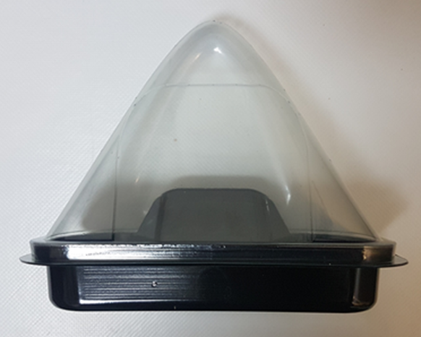 |  |  |  |  |  | 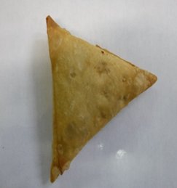

SAMOSA LID TRAY-(K-3073) (PKKIN001-03) |  |  |  |  |  | CHICKEN SAMOSA (GFF240R)
BASE FOR SAMOSA (K-3074) (PKKIN001-04) |  |  |  |  |  | Weight : 100g
ALLERGY ALERT: WHEAT

